1. Title Page
[Instacart Basket Analysis]

Project Name: Instacart Basket Analysis
Date: 14/07/22
Analyst Name: Thomas Shaw

Contents:
Population Flow
Consistency checks
Wrangling steps
Column derivations
Visualizations
Recommendations

Objective:
Instacart, an online grocery store that operates through an app. Instacart already has very good sales, but they want to uncover more information about their sales patterns. As an analyst I am expected to explore and analyse the Instacart data to inform marketing strategies and decision making .

Context:
The Instacart stakeholders are most interested in the variety of customers in their database along with their purchasing behaviors. They assume they can't target everyone using the same methods, and they’re considering a targeted marketing strategy. They want to target different customers with applicable marketing campaigns to see whether they have an effect on the sale of their products. As an analyst, the insights derived will inform evidenced based decisions that include targeting the right customers according to their product preferences.

Data Sources
● Customers Data Set
● Data Dictionary
● Citation: “The Instacart Online Grocery Shopping Dataset
2017”, Accessed from https://www.instacart.com/datasets/grocery-shopping-2017 on
<date>.
●All data used has been tasken from Instacart open-source data sets. The customer data set is fictional and used solely for the purpose of this analysis.

2. Population Flow
Title page

Population flow

Exclusion flag
Condition: max_order < 5
Obervations to be removed: 1,441,548
Final total count of order_products_all: 30,992,664

Orders_products_combined
Orders_products_merged
Orders_products_all

Total: 32,434,212
Total: 32,434,489
Total: 32,434,212

3. Consistency checks_a
 |  |  |  | Title page
Consistency checks

Dataset | Missing values | Missing values treatment | Duplicates
orders | "days_since_prior_order" - 206,209 values | Created flag for first time customers.
products | "product_name" - 16 values | Filtered out missing data and created new dataframe. | 5 duplicates
orders_products_prior
customers | "first_name" - 11,259 values | N/A - We could go back to try and source this data, but for the purpose of this analysis there is nothing that can be done; I will simply use the data as it is.

4. Wrangling steps_
 |  |  |  | Title page
Wrangling steps

Columns dropped | Columns renamed | Columns' type changed | Comment/Reason
"eval_set" | "eval_set" | "eval_set" | column drop but not necessary
 | "order_dow" |  | Renamed to provide clarity as to what the data in the column is.
 |  | "order_id" | Changed from numeric to string as this is a unique ID.
 |  | "user_id" | Changed from numeric to string as this is a unique ID.
"Unnamed: 0" |  |  | This column is not required.
"_merge" |  |  | This column is not required.
 | "first_name" |  | Renamed to make consistent with other columns.
 | "last_name" |  | Renamed to make consistent with other columns.
 | "gender" |  | Renamed to make consistent with other columns.
 | "state" |  | Renamed to make consistent with other columns.
 | "age" |  | Renamed to make consistent with other columns.
 | "number_of_dependents" |  | Renamed to provide clarity and make consistent with other columns.
 | "marital_status" |  | Renamed to provide clarity and make consistent with other columns.
"first_name" |  |  | Contained Personally Identifiable Information.
"last_name" |  |  | Contained Personally Identifiable Information.

5. Column derivations_
 |  |  |  | Title page

Column derivations and aggregations

Dataset | New column | Column/s it was derived from | Conditions
ords_prods_merge | max_order | order_number | Max taken from order_number.
ords_prods_merge | loyalty_flag | max_order | Created 3 different groups based on customer loyalty.
ords_prods_merge | avg_price | user_id, prices | Mean price per customer.
ords_prods_merge | spender_flag | avg_price | Created two different groups based on spend of a customer.
orders_productss_merged | median_order_duration | user_id, days_since_last_order | Median days since last order per customer.
orders_products_merged_ver2 | frequency_flag | median_order_duration | Created 3 different groups based on the frequency of orders.
ords_prorders_products_merged_ver2ods_merge | price_range_loc | prices | Created 3 different groups based on the price of products.
full_merge | busiest_days | orders_dow | Loop that indicates if an order is on the busiest day of the week, as per the aggregation of orders day of the week data.
full_mergedd | busiest_period_of_day | order_hour_of_day | Loop that indicates if an order is during the busiest hours of the day, as per the aggregation of order hour of day data.
instacart | activity_flag | max_order | Flag based on the amount of orders a customer has made.
normal_activity | region | state | US States grouped into 4 regions
normal_activity | age_profile | age | Created 3 different age groups.
normal_activity | income_profile | income | Created 3 different income groups.
normal_activity | goods_profile | department_id | Clearly defined each department of products.
normal_activity | dependants_profile | number_of_dependants | Created 3 different dependants groups.
normal_activity | customer_profile | age_profile, income_profile, dependants_profile | Profiled customers based on their age, income and dependants groups.

6. Visualisations
Title page

Visualisations

 | The sales team needs to know what the busiest days of the week and hours of the day
 | are (i.e., the days and times with the most orders) in order to schedule ads at times
 | when there are fewer orders.
 | Bar Graph illustrating orders per week day
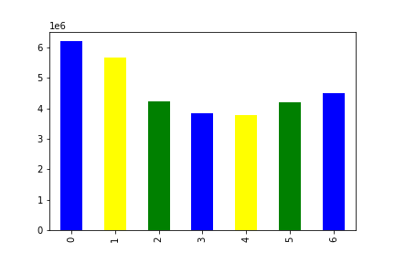

 |  |  |  |  |  |  |  | Histogram of the “order_hour_of_day” column |  |  |  |  | Are there differences in ordering habits based on a customer’s loyalty status?
 |  |  |  |  |  |  |  |  |  |  |  |  |  | Bar Graph showing spending categories

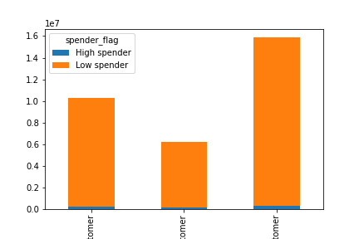

 | Most orders are made during the first two days of the week, possibly because most customers are still in the weekend mood and during the weekend
 | Ads should be scheduled during week days, especially from Tuesday to Thursdays since these have fewer orders

 |  |  |  |  |  |  | The histogram shows the middle of the day between 10:00AM in the morning and 15:00PM in the afternoon as having the most orders

 |  |  |  |  |  |  |  |  |  |  |  |  |  | Instartcart market is dominated by low spenders

 |  | They also want to know whether there are particular times of the day when people spend
 |  | the most money, as this might inform the type of products they advertise at these times.
 |  | Line Graph illustrating spending per order hour of day |  |  |  |  |  |  | Are there certain types of products that are more popular than others? The marketing
 |  |  |  |  |  |  |  |  | and sales teams want to know which departments have the highest frequency of product
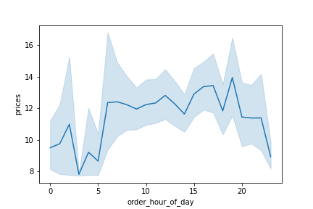
 |  |  |  |  |  |  |  |  | orders.

 |  |  |  |  |  |  |  |  | Stacked bar graph showing popular products
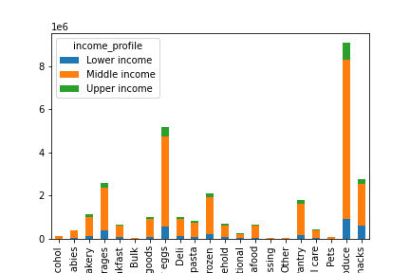

 |  |  | Prices are varying for all order hour of day, meaning prices are not regulated and keep on flunctuating.
 |  |  | People spend most of the money between 05:00AM and 20:00PM |  |  |  |  |  |  | Sales were dominated by Produce department, followed by Dairy eggs and snacks and the least selling department was Bulk.

 |  |  |  | Are there differences in ordering habits based on a customer’s region? |  |  |  |  |  |  | Is there a connection between age and family status in terms of ordering habits?
 |  |  |  |  |  |  |  |  |  |  | Stacked Bar Graph demonstrating ordering habits across family status
 |  |  |  | Bar Graph showing Customers per Region
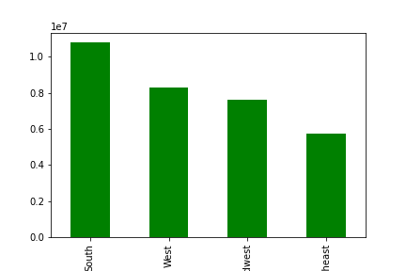
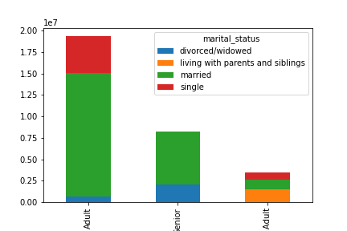

 |  |  |  |  | Most customers are found in the south state, whilst the Northeast states have the least. |  |  |  |  |  | Married adults dominate as customers, while the single young adults are the least customers

 |  |  |  |  | What differences can you find in ordering habits of different customer profiles?
 |  |  |  |  | Consider the price of orders, the frequency of orders, the products customers are
 |  |  |  |  | ordering, and anything else you can think of.

 |  |  |  |  |  |  |  |  |  |  |  | What different classifications does the demographic information suggest? Age?Income? Certain types of goods? Family status?
 |  |  |  |  |  | Scatter Plot of age versus income |  |  |  |  |  | Bar Graph demonstrating demographic information
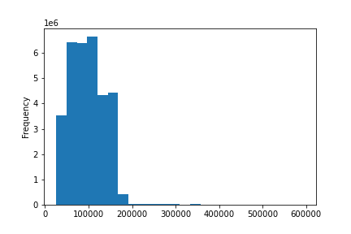
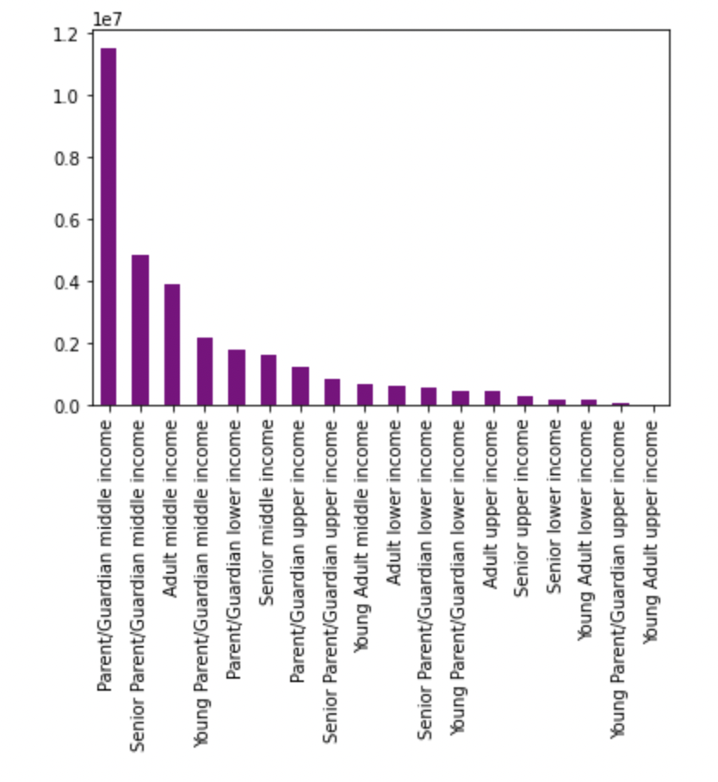

 |  |  |  |  |  | The histogram shows skewness to the right which indicates most orders due to lower price orders as compared to the lowest orders due to high price of orders

 |  |  |  |  |  |  |  |  |  |  |  | Most of the customers are Parent/Guardians (aged 25-64) on a middle income. While Young adults (aged 18-24) on upper income make up the lowest portion of customers.

7. Recommendations
 |  |  |  |  | Title page

Recommendations

 | The sales team needs to know what the busiest days of the week and hours of the day
 | are (i.e., the days and times with the most orders) in order to schedule ads at times
 | when there are fewer orders. |  |  | Histogram of the “order_hour_of_day” column
 | Bar Graph illustrating Bar Graph illustrating orders per week day

 | Most orders are made during the first two days of the week, possibly because most customers are still in the weekend mood and during the weekend. Recommendations include, schedule Advertisments during week days, especially from Tuesday to Thursdays since these have fewer orders and target busiest days for more orders. The histogram shows the middle of the day between 10:00AM in the morning and 15:00PM in the afternoon as having the most orders . Therefore, retain most of the operations between 10:00AM and 15:00PM since this is when most oders and sales are made. Also, make ads for the least bussiest hours to attract more orders and sales.

 | They also want to know whether there are particular times of the day when people spend the most money, as this might inform the type of products they advertise at these times.

 | Line Graph illustrating spending per order hour of day

 | Prices are varying for all order hour of day, meaning prices are not regulated and keep on flunctuating. People spend most of the money between 05:00AM and 20:00PM . Recommendation is to keep diversifying orders for more customer preferences and produce more products to be consumed between 5 to 2 0 hours

 |  | Are there differences in ordering habits based on a customer’s region?

Bar Graph showing customer purchases per region

 | Most customer purchases are found in the south state, whilst the Northeast states have the least.
 | The recommendation is to target the south state as a prime market while making aggressive ads in states with low customer base

 | Are there certain types of products that are more popular than others? The marketing
 | and sales teams want to know which departments have the highest frequency of product
 | orders.
 |  | Stacked bar graph showing popular products
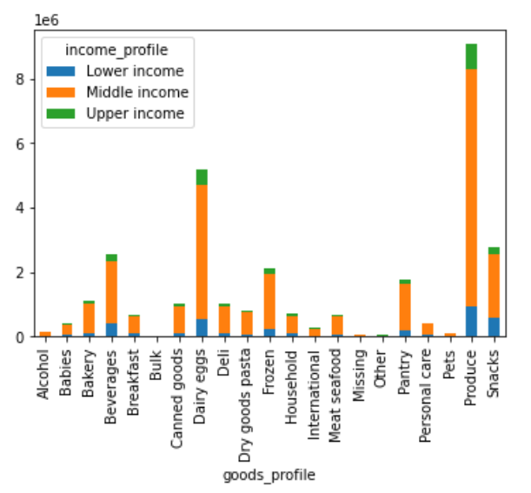

 | Sales were dominated by Produce department, followed by Dairy eggs and snacks and the least selling department was Bulk.
 | Recommendations: Maintain the strategies used for produce, Dairy eggs and snacks to attract more sales across all departments.

 | Are there differences in ordering habits based on a customer’s loyalty status?
 |  | Bar Graph showing spending categories
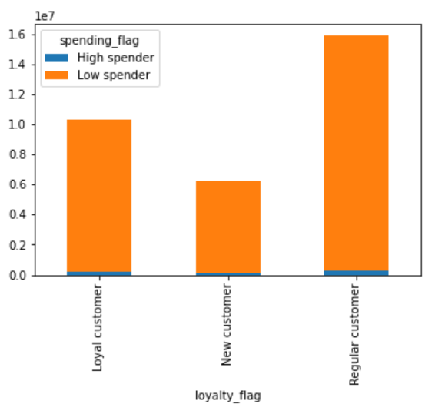

 | Instartcart market is dominated by low spenders
 | Recommendations: Diversify products to attract more spenders including low spenders

 | Is there a connection between age and family status in terms of ordering habits?
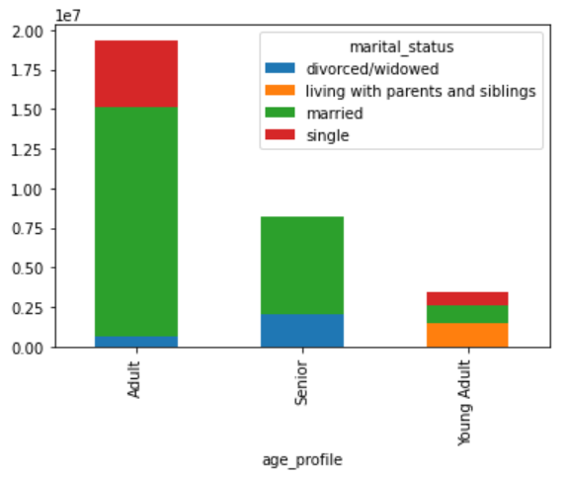

 |  |  |  |  |  |  | What different classifications does the demographic information suggest? Age? Income? Certain types of goods? Family status?

 |  |  |  |  |  |  | Bar Graph demonstrating demographic information

 | Married adults dominate as customers, while the single young adults are the least customers
 | Recommendation: Targeted advertisement will serve a purpose and explore products that are prefered by the young customers since this is the future market

 |  |  |  |  |  | Most of the customers are Parent/Guardians (aged 25-64) on a middle income. While Young adults (aged 18-24) on upper income make up the lowest portion of customers.
 |  |  |  |  |  | Recommendations: Middle income customers are likely to have a high consumption and demand, therefore consider them as a target market for the products.

 | What differences can you find in ordering habits of different customer profiles?
 | Consider the price of orders, the frequency of orders, the products customers are
 | ordering, and anything else you can think of.
 | Histogram for price orders against frequency of orders

 | The histogram shows skewness to the right which indicates most orders due to lower price orders as compared to the lowest orders due to high price of orders
 | Therefore, lower price orders attract most orders and high price orders attract the lowest orders |  | Recommendation: Produce a variety of goods that match multiple preference to attract most orders aligned to different ordering habits and do Advertisement for high price orders.

